Sheet1
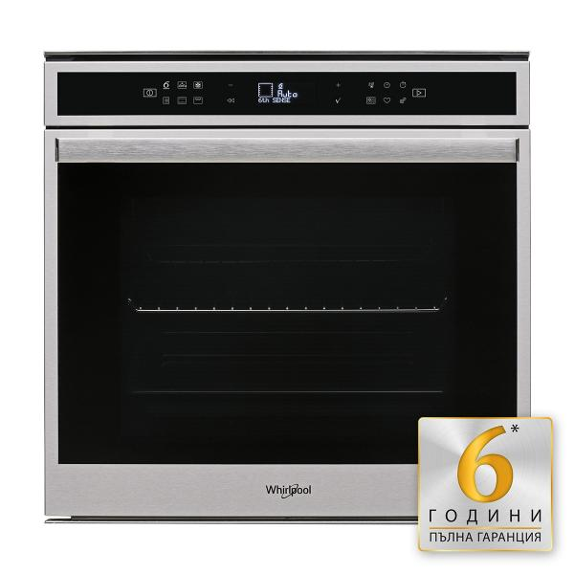
Whirlpool AMW435IX |  |  |  | Whirlpool WIC 3C23 PEF |  |  |  | AMICA PGA2 1ZPTAOGB |  |  |  | TEKA CNL 6610 INOX
http://technohome.bg/ |  |  |  |  | 675
http://techno-shop.bg/ | 418 |  |  |  | 675 |  |  |  |  |  |  | 298
https://www.technomarket.bg/ | 469 | 419 | 10.66% | Х | 699 |  |  | 219 | 199 | 9.13% |  | 349 | 319 | 8.60%
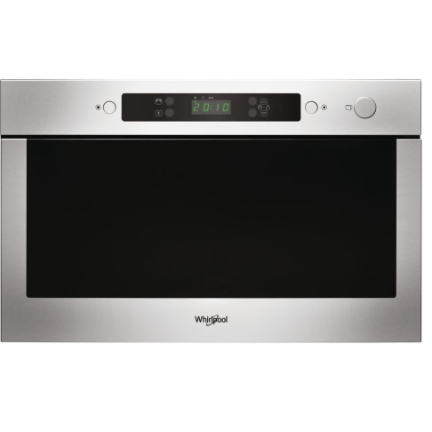
 |  | 1 |  |  | 24 |  |  |  |  |  |  |  | 21

 |  |  |  |  |  |  |  |  |  | ОБЩА СУМА | 2,435.00 лв.
 |  |  |  |  |  |  |  |  |  | РАЗЛИКА В ЦЕНИТЕ | 156.00 лв.

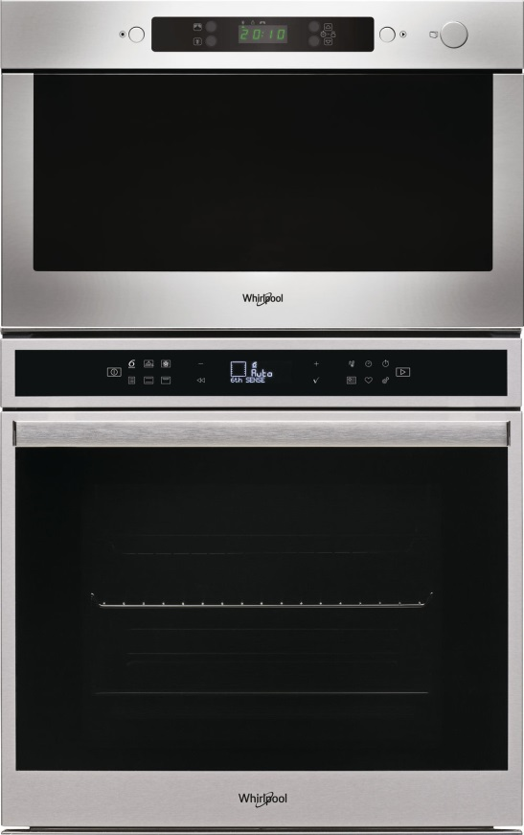
WHIRLPOOL W7 OM4 4S1 P |  |  | WHIRLPOOL W6-OM4 4S1P
http://technohome.bg/ | 765 |  |  |  | 689
https://www.technomarket.bg/ | 899 |  |  |  | 859 | 799 | 6.98%
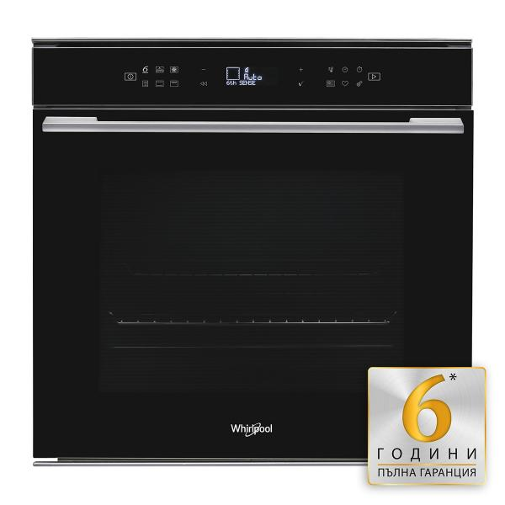
 |  |  |  |  |  | 110

